SRL 2.5. VPC
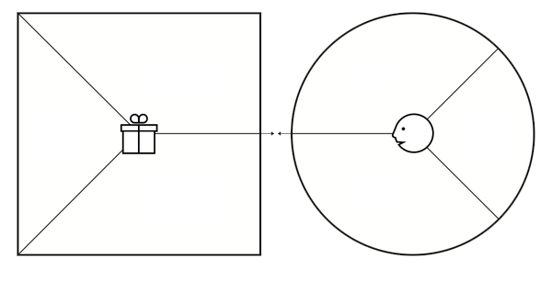
VALUE PROPOSITION CANVAS - FORM

(CHECK POINT SRL 2-5)

